Sheet1
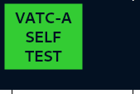


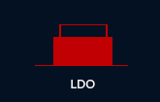
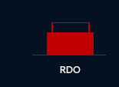
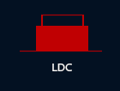
Requirement | Test Case PUI | Test Case Name | Precondition | Input | Expected output | DATE | TEST STATUS | TEST REMARKS | ISSUE ISOLATION |  |  |  |  |  | Updated
VATC Self Test | ATC_ITP_001_CASE_002 | INVALID CASE: On Startup of VATC Checksum of system map file mismatch with stored information | Change System map file with wrong checksum | 1:Startup of VATC | Self test fail shall be displayed at DMI. UnHealthy VATC shall not energise its own final output relay. | 21-02-2025 | PARTIAL PASS | Started vatc 1 with system map 1 checksum mismatched, and then vatc 2 started with correct config, vatc 1 self test failed and vatc 2 self test passed. But when vatc 2 stopped vatc 2 self test remain passed . | VATC + ARCH | CORRECTED | VATC code modified | Arch SCP 25 Generated | 25-04-2025 | PASS
VATC Self Test | ATC_ITP_001_CASE_003 | INVALID CASE: On Startup of vatc Checksum of train configuration file mismatch with stored information | Change System map file with wrong checksum. Only one VATC is present with wrong configuration, other is not present | 1:Startup of VATC | 1: Self Test Failed shall be displayed on DMI 2: Alarm Vatc self test failture due to train configuration file mismatched shall be displayed at DMI and VMT. | 22-02-2025 | PARTIAL PASS | if only one VATC is present in system then VATC is declaring itself as active even if there is mismatch in train config file checksum mismatch. This will cause problem in system, when other VATC will come and is completely healthy it will declare itself as passive and system shall remain non functional. Vmt is there to debug the system, even if we want to display alarm at DMI, we should send data to DMI but should not declare VATC as active. Both VATC not active on mt cannot be observed when both became incative | DMRC | PENDING

